ITF Ramp and Uniform
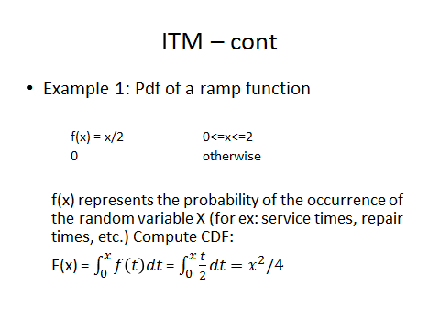
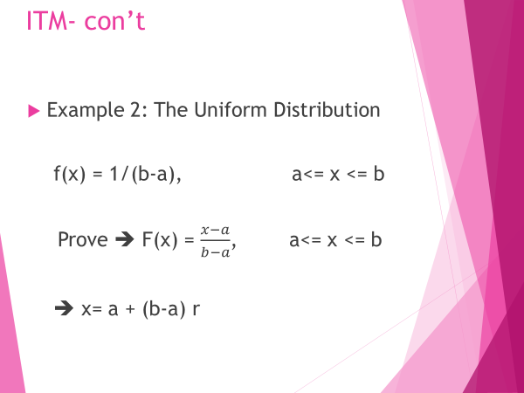
r | x = | x= 1 + 2 r
0.028 | 0.33 | 1.06
0.846 | 1.84 | 2.69
0.107 | 0.65 | 1.21
0.655 | 1.62 | 2.31
0.282 | 1.06 | 1.56
0.056 | 0.47 | 1.11
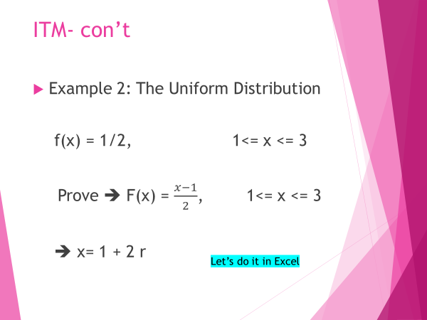
0.359 | 1.20 | 1.72
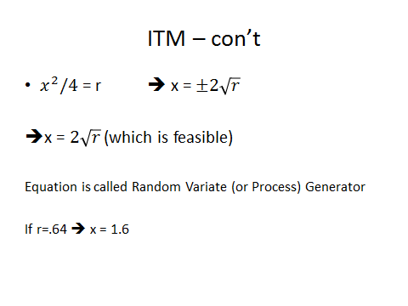
0.173 | 0.83 | 1.35
0.800 | 1.79 | 2.60
0.942 | 1.94 | 2.88
0.024 | 0.31 | 1.05
0.674 | 1.64 | 2.35
0.108 | 0.66 | 1.22
0.378 | 1.23 | 1.76

ITF Exp only
Histogram
r | x= - 1/ λ ln r | 4 | bin | bin | Frequency
0.3820 | 0.1203 |  | 2 | 0 | 0
0.1007 | 0.0265 |  | 1.75 | 0.25 | 62
0.5965 | 0.2269 |  | 1.5 | 0.5 | 21
0.8991 | 0.5734 |  | 1.25 | 0.75 | 8
0.8846 | 0.5399 |  | 1 | 1 | 5
0.9585 | 0.7953 |  | 0.75 | 1.25 | 3
0.0145 | 0.0037 |  | 0.5 | 1.5 | 0
0.4074 | 0.1308 |  | 0.25 | 1.75 | 0
0.8632 | 0.4974 |  | 0 | 2 | 0
0.1386 | 0.0373 |  |  | More | 0
0.2450 | 0.0703
0.0455 | 0.0116
0.0324 | 0.0082
0.1641 | 0.0448
0.2196 | 0.0620
0.0171 | 0.0043
0.2850 | 0.0839
0.3431 | 0.1051
0.5536 | 0.2017
0.3574 | 0.1105
0.3718 | 0.1162
0.3556 | 0.1099
0.9103 | 0.6028
0.4660 | 0.1568
0.4262 | 0.1389
0.3039 | 0.0906
0.9757 | 0.9294
0.8067 | 0.4108
0.9912 | 1.1844
0.2563 | 0.0740
0.9517 | 0.7575
0.0534 | 0.0137
0.7050 | 0.3052
0.8165 | 0.4239
0.9725 | 0.8984
0.4663 | 0.1570
0.3002 | 0.0892
0.7502 | 0.3468
0.3515 | 0.1083
0.7757 | 0.3736
0.0743 | 0.0193
0.1984 | 0.0553
0.0641 | 0.0166
0.3583 | 0.1109
0.4870 | 0.1669
0.5112 | 0.1790
0.3735 | 0.1169
0.9859 | 1.0654
0.0407 | 0.0104
0.2307 | 0.0656
0.0050 | 0.0012
0.9261 | 0.6514
0.1003 | 0.0264
0.2567 | 0.0742
0.7757 | 0.3737
0.6796 | 0.2846
0.8091 | 0.4140
0.7243 | 0.3221
0.0851 | 0.0222
0.1323 | 0.0355
0.7562 | 0.3528
0.6265 | 0.2462
0.1737 | 0.0477
0.4048 | 0.1297
0.5523 | 0.2009
0.7115 | 0.3108
0.5552 | 0.2025
0.1812 | 0.0500
0.9703 | 0.8789
0.6869 | 0.2903
0.5288 | 0.1881
0.7967 | 0.3983
0.8057 | 0.4095
0.2622 | 0.0760
0.1780 | 0.0490
0.8668 | 0.5039
0.1148 | 0.0305
0.0595 | 0.0153
0.7616 | 0.3584
0.7384 | 0.3352
0.9863 | 1.0725
0.9256 | 0.6496
0.9039 | 0.5855
0.5450 | 0.1968
0.5008 | 0.1737
0.6750 | 0.2810
0.4898 | 0.1682
0.1458 | 0.0394
0.0380 | 0.0097
0.7963 | 0.3977
0.6716 | 0.2784
0.7317 | 0.3289
0.5845 | 0.2196
0.1522 | 0.0413
0.8922 | 0.5568
0.3778 | 0.1186
0.2005 | 0.0559
0.2058 | 0.0576
0.3340 | 0.1016
0.3251 | 0.0983

